List1
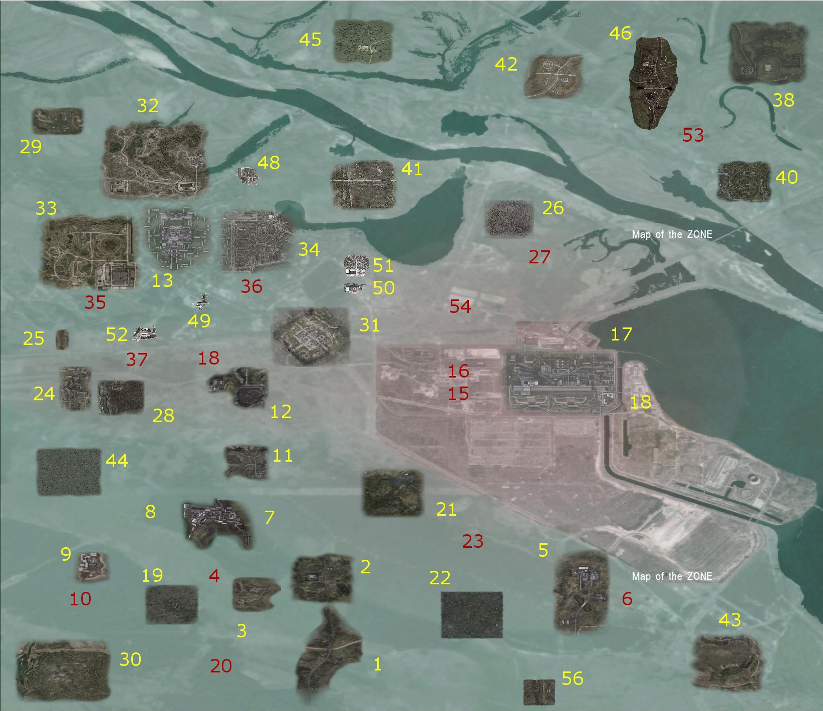
B.R. | Ruska imena | Engleska imena | Engleska imena u StalkerSoupu | Prijevod-1 | Prijevod-2

1 | 1. Кордон | 1. Cordon | 1. Cordon | 1. Kordon |  | Ovaj dio dolje je samo za informacije u zemaljama!
2 | 2. Свалка | 2. Dump | 2. Garbage | 2. Deponija
3 | 3. НИИ Агропром | 3. Agriculture Research Institute | 3. Agroprom | 3. Agroprom |  | [level01] | [level13] | [level25] | [level37] | [level51]
4 | 4. Подземелья Агропрома | 4. Dungeons Agroproma | 4. Agroprom Catacombs | 4. Agroprom podzemlje |  | name = l01_escape | name = l11_pripyat | name = hospital | name = cs_agroprom_underground | name = l04_pogost
5 | 5. Тёмная долина | 5. Shadow Valley | 5. Dark Valley | 5. Mračna Dolina |  | caption = "l01_escape" | caption = "l11_pripyat" | caption = "hospital" | caption = "cs_agroprom_underground" | caption = "l04_pogost"
6 | 6. Лаборатория Х18 | 6. Laboratory X18 | 6. Laboratory X-18 | 6. Laboratorij X18 |  | id = 01 | id = 13 | id = 25 | id = 37 | id = 51
7 | 7. Бар | 7. Bar | 7. Rostok | 7. Bar
8 | 8. Дикая территория | 8. Wildlife area | 8. Wild Territory | 8. Divlja Teritorija |  | [level02] | [level14] | [level26] | [level38] | [level52]
9 | 9. Янтарь | 9. Amber | 9. Yantar | 9. Jantar |  | name = l02_garbage | name = l12_stancia | name = generators | name = predbannik | name = l05_vokzal
10 | 10. Лаборатория Х16 | 10. Laboratory X16 | 10. Laboratory X-16 | 10. Laboratorij X16 |  | caption = "l02_garbage" | caption = "l12_stancia" | caption = "generators" | caption = "predbannik" | caption = "l05_vokzal"
11 | 11. Армейские склады | 11. Army warehouses | 11. Army Warehouses | 11. Vojna Skladišta |  | id = 02 | id = 14 | id = 26 | id = 38 | id = 52
12 | 12. Радар | 12. Radar | 12. Radar | 12. Radar
13 | 13. Западный район Припяти | 13. The West area of ​​Pripyat | 13. Pripyat | 13. Zapadna oblast Pripjata |  | [level03] | [level15] | [level27] | [level40] | [level53]
14 | 14. ЧАЭС-1 | 14. Chernobyl-1 | 14. Chernobyl NPP | 14. Černobil-1 |  | name = l03_agroprom | name = l12u_sarcofag | name = warlab | name = yantar_old | name = digger_stash
15 | 15. Саркофаг | 15. Sarcophagus | 15. Sarcophagus | 15. Sarkofag |  | caption = "l03_agroprom" | caption = "l12u_sarcofag" | caption = "warlab" | caption = "yantar_old" | caption = "digger_stash"
16 | 16. Секретная лаборатория | 16. The Secret Laboratory | 16. Monolith Control | 16. Tajni Laboratorij |  | id = 03 | id = 15 | id = 27 | id = 40 | id = 53
17 | 17. ЧАЭС-2 | 17. Chernobyl-2 | 17. Chernobyl NPP | 17. Černobil-2
18 | 18. Бункер (Х10) | 18. Bunker (X10) | 18. Laboratory X-10 | 18. Bunker (X10) |  | [level04] | [level16] | [level28] | [level41] | [level54]
19 | 19. АТП | 19. ATP | 19. ATP, The territory of ATP | 19. ATP |  | name = l03u_agr_underground | name = l12u_control_monolith | name = red_forest | name = swamp_old | name = lab_x14
20 | 20. Пещера | 20. Cave | 20. Cave | 20. Pećina |  | caption = "l03u_agr_underground" | caption = "l12u_control_monolith" | caption = "red_forest" | caption = "swamp_old" | caption = "lab_x14"
21 | 21. Забытый лес | 21. Forgotten Forest | 21. Forgotten Forest | 21. Zaboravljena Šuma |  | id = 04 | id = 16 | id = 28 | id = 41 | id = 54
22 | 22. Неразведанная земля | 22. Undiscovered land, Recon | 22. Reconoitered Earth | 22. Neotkrivena zemlja
23 | 23. Лабиринт | 23. Labyrinth | 23. Labrynth | 23. Lavirint |  | [level05] | [level17] | [level29] | [level42] | [level56]
24 | 24. Лиманск | 24. Limansk | 24. Limansk | 24. Limansk |  | name = l04_darkvalley | name = l12_stancia_2 | name = lost_village | name = hiding_road | name = l01_poligon
25 | 25. Госпиталь | 25. Hospital | 25. Hospital | 25. Bolnica |  | caption = "l04_darkvalley" | caption = "l12_stancia_2" | caption = "lost_village" | caption = "hiding_road" | caption = "l01_poligon"
26 | 26. Генераторы | 26. Generators | 26. Generators | 26. Generatori |  | id = 05 | id = 17 | id = 29 | id = 42 | id = 56
27 | 27. Варлаб | 27. Varlab | 27. Military Lab | 27. Varlab
28 | 28. Рыжий лес | 28. The Red Forest | 28. Red Forest | 28. Crvena Šuma |  | [level06] | [level18] | [level30] | [level43]
29 | 29. Старая деревня | 29. The old village | 29. Old Village | 29. Staro Selo |  | name = l04u_LabX18 | name = l10u_bunker | name = marsh | name = k01_darkscape
30 | 30. Болота | 30. Marshes | 30. Swamp | 30. Močvare |  | caption = "l04u_LabX18" | caption = "l10u_bunker" | caption = "marsh" | caption = "k01_darkscape"
31 | 31. Мёртвый город | 31. The Dead City | 31. Dead City | 31. Mrtvi Grad |  | id = 06 | id = 18 | id = 30 | id = 43
32 | 32. Затон | 32. Zaton, Backwater | 32. Backwater | 32. Zaton
33 | 33. Юпитер | 33. Jupiter | 33. Jupiter | 33. Jupiter |  | [level07] | [level19] | [level31] | [level44]
34 | 34. Восточный район Припяти | 34. Eastern area of ​​Pripyat | 34. East Pripyat | 34. Istočna oblast Pripjata |  | name = l05_bar | name = atp_for_test22 | name = dead_city | name = dark_forest
35 | 35. Путепровод Припять-1 | 35. Overpass Pripyat-1 |  | 35. Nadvožnjak Pripjat-1 |  | caption = "l05_bar" | caption = "atp_for_test22" | caption = "dead_city" | caption = "dark_forest"
36 | 36. Лаборатория Х8 | 36. Laboratory X8 | 36. Laboratory X-8 | 36. Laboratorij X8 |  | id = 07 | id = 19 | id = 31 | id = 44
37 | 37. Таинственная лаборатория | 37. Mysterious Laboratory | 37. Jupiter Underground | 37. Misteriozni Laboratorij
38 | 38. Предбанник | 38. Waiting room | 38. Waiting Room | 38. Čekaonica |  | [level08] | [level20] | [level32] | [level45]
39 | 39. Промзона (старая свалка) | 39. Industrial Zone (old dump), Technique | 39. Techniques | 39. Industrijska Zona* |  | name = l06_rostok | name = peshera | name = zaton | name = level_f-1
40 | 40. Станция ПВО (старый янтарь) | 40. Station defense (old amber) | 40. Research Station | 40. Istraživačka Stanica |  | caption = "l06_rostok" | caption = "peshera" | caption = "Backwater" | caption = "level_f-1"
41 | 41. Топи (старые болота) | 41. Topi (old bogs), Dead Marshes | 41. Dead Marshes | 41. Mrtve Baruštine |  | id = 08 | id = 20 | id = 32 | id = 45
42 | 42. Скрытая дорога | 42. Hidden road , Broken Road | 42. Broken Road | 42. Skriveni Put
43 | 43. Тёмная лощина | 43. Dark Hollow , Darksacape | 43. Darkscape, Dark Hollow | 43. Mračni izlaz |  | [level09] | [level21] | [level33] | [level46]
44 | 44. Роща (тёмный лес) | 44. Grove (dark wood) Wasted Woodlands | 44. Wasted Woodland | 44. Crna Šuma |  | name = l08_yantar | name = puzir | name = jupiter | name = promzone
45 | 45. Колхоз Червоне дышло | 45. Kolkhoz Cervone drawbar, Facility F1 | 45. Facility F1 | 45. Postrojenje F1 |  | caption = "l08_yantar" | caption = "puzir" | caption = "jupiter" | caption = "promzone"
46 | 46. Чернобыль (красивая) | 46. ​​Chernobyl (beautiful) | 46. Distribution Center | 46. Distributivni Centar* |  | id = 09 | id = 21 | id = 33 | id = 48
47 | 47. Чернобыль (главная) | 47. Chernobyl (main) | 47. Courtyards | 47. Černobil*
48 | 48. Чернобыль (рынок) | 48. Chernobyl (market) | 48. Black Market | 48. Crno Tržište |  | [level10] | [level22] | [level34] | [level48]
49 | 49. Чернобыль (погост) | 49. Chernobyl (graveyard) | 49. Cemetery | 49. Groblje |  | name = l08u_brainlab | name = aver | name = pripyat | name = l01_krasivay
50 | 50. Чернобыль (вокзал) | 50. Chernobyl (station) | 50. End Station | 50. Zadnja Stanica |  | caption = "l08u_brainlab" | caption = "aver" | caption = "east_pripyat" | caption = "l01_krasivay"
51 | 51. Шахта диггера | 51. Mine digger | 51. Hole in the ground | 51. Rudnik |  | id = 10 | id = 22 | id = 34 | id = 48
52 | 52. Лаборатория Х14 | 52. Laboratory X14 | 52. Secret Lab | 52. Laboratorij X14
53 | 53. Полигон | 53. Landfill, Firing Range | 53. Firing Range | 53. Poligon |  | [level11] | [level23] | [level35] | [level49]
54 |  |  | 35. Jupiter Underground |  |  | name = l07_military | name = av_peshera | name = jupiter_underground | name = l02_dd
55 |  |  | 54. Old Tunnels |  |  | caption = "l07_military" | caption = "av_peshera" | caption = "jupiter_underground" | caption = "l02_dd"
 |  |  |  |  |  | id = 11 | id = 23 | id = 35 | id = 49

 |  |  |  |  |  | [level12] | [level24] | [level36] | [level50]
 |  |  |  |  |  | name = l10_radar | name = limansk | name = labx8 | name = l03_rinok
 |  | Tunnels | Tunnels | Tuneli |  | caption = "l10_radar" | caption = "limansk" | caption = "Lab_X8" | caption = "l03_rinok"
 |  |  |  |  |  | id = 12 | id = 24 | id = 36 | id = 50

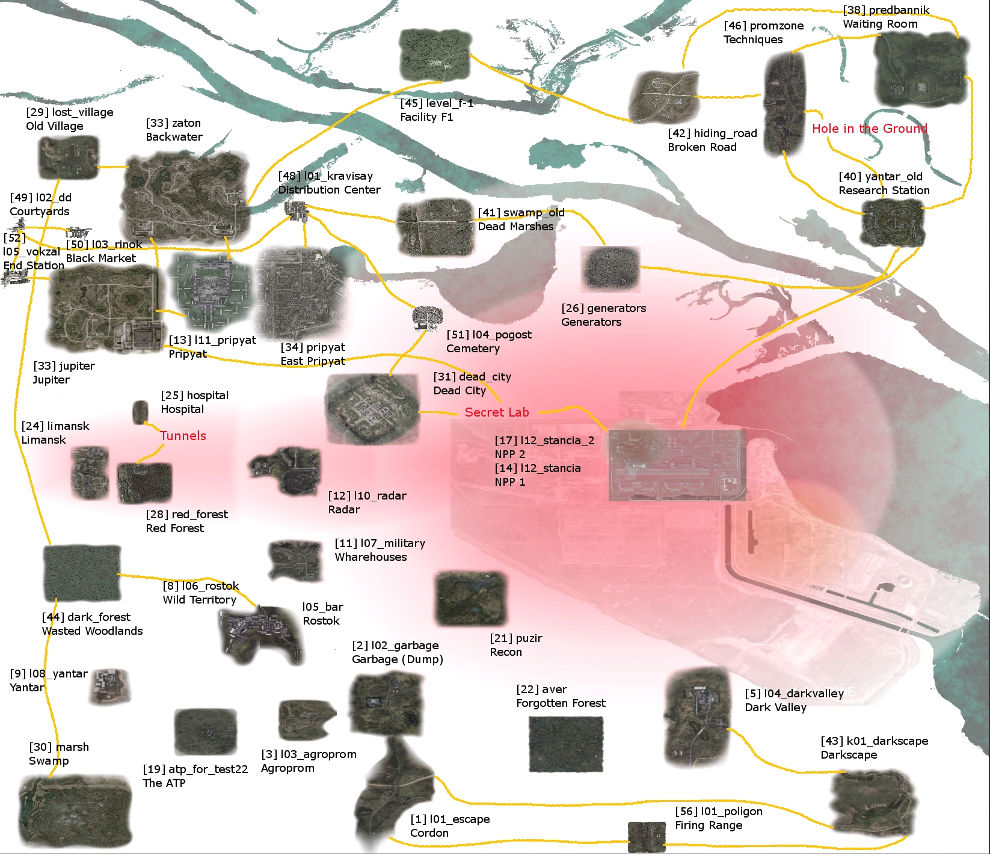
 | Napomena: postoji nekoliko lokacija koja nisu pobrojana na nalaze se u SS: Courtyards(Dvorišta)..
 | *Lokacije 39 , 46, 47 provjeriti u igrici da li obje postoje i da li odgovaraju opisu

